Login>Home
To gain access into the system the application admin/operator, sales personnel, and service personnel must enter their credentials such as the username and password
To reset the user's account/password, there will be a forgot password link below the sign in button. To search for the user account, the user needs to enter his/her email address.
This will be the result section once the user has find his/her account. Once the user click on the continue button, the reset account link will be sent to the user's email account

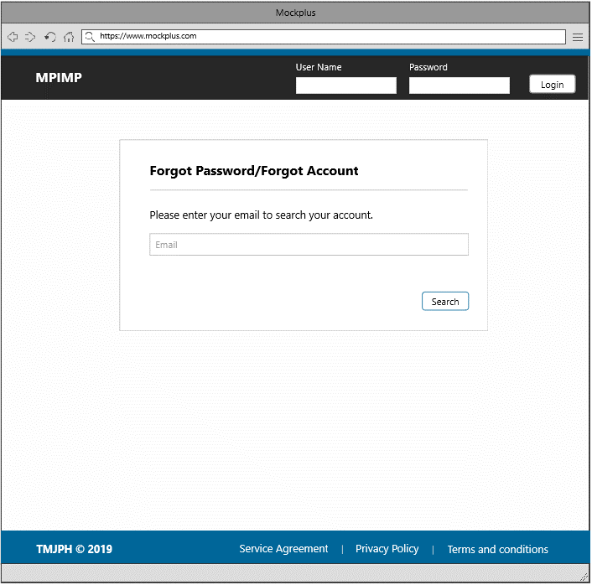
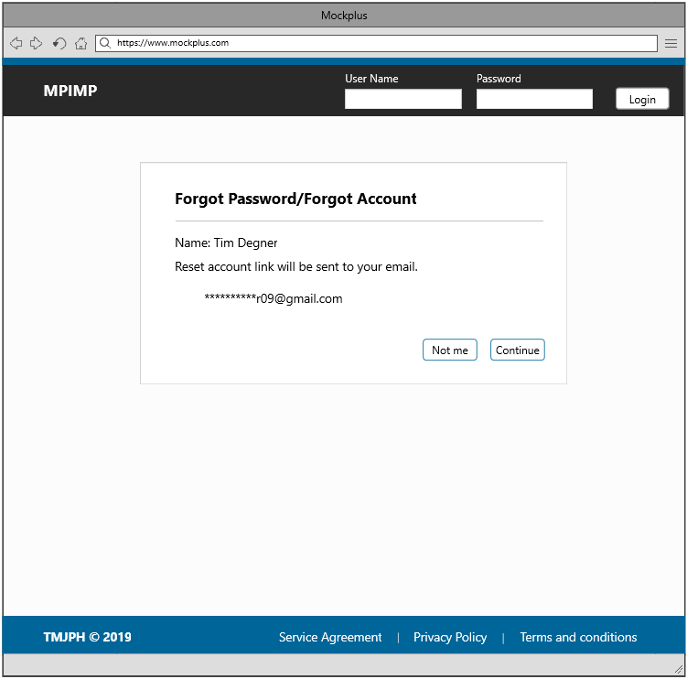


Unable to remember the account/password. The user will be redirected to this page once the forgot password link is clicked
Successfully find the user's account. The user will be redirected to this page once he clicked the search button

2
3
3

1

2

1
1-Sign In Button | 3-Search Button
2-Forgot Password Link

Successfully logged into the system. The admin will be redirected to this page.

This is the admin landing page, wherein the admin has the capability to view everything in the system, such as the list of clients, contracts, services, pricing, authorization, agencies, security setting, and users of the system. The admin will be redirected to a section once he/she select from the item below. This section consists the template for the header and footer.
There are two sections in this page; Account Settings and Contact Information. Each section consists of different information, the account settings section provides a reset password functionality.

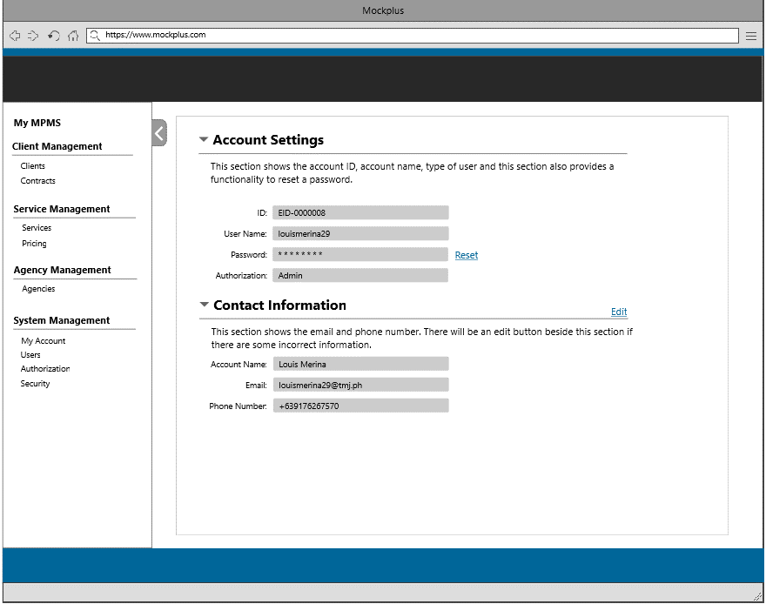
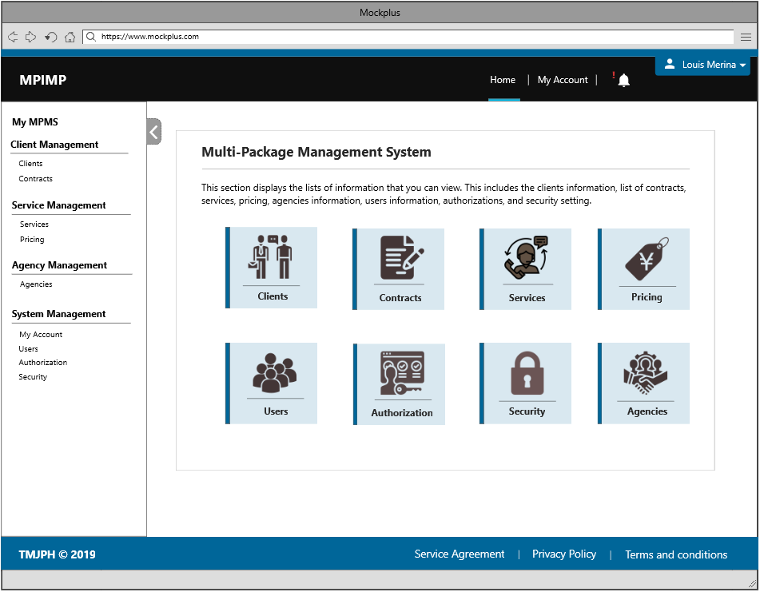

4

Check the user's account details/reset the user's password.

4

4-My Account Page

Client Information
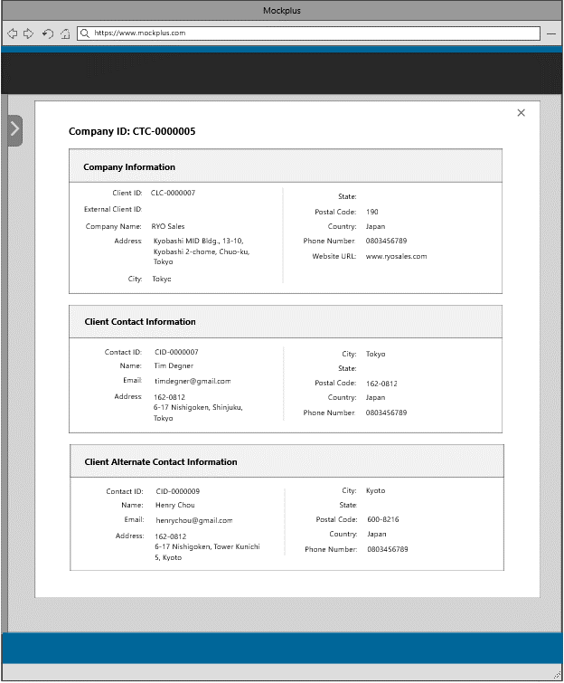
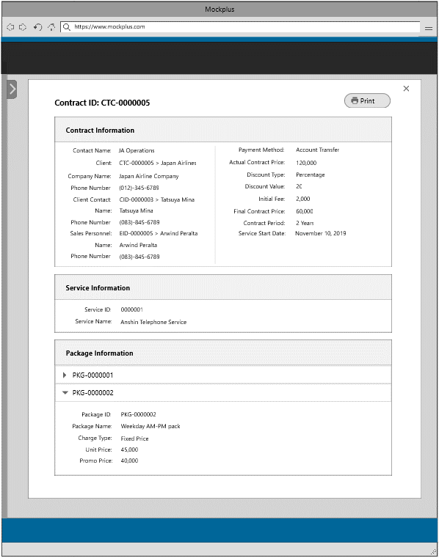
This is the admin landing page, wherein the admin has the capability to view everything in the system, such as the list of clients, contracts, services, pricing, authorization, agencies, security setting, and users of the system. The admin will be redirected to a section once the item is clicked. This section consists the template for the header and footer.

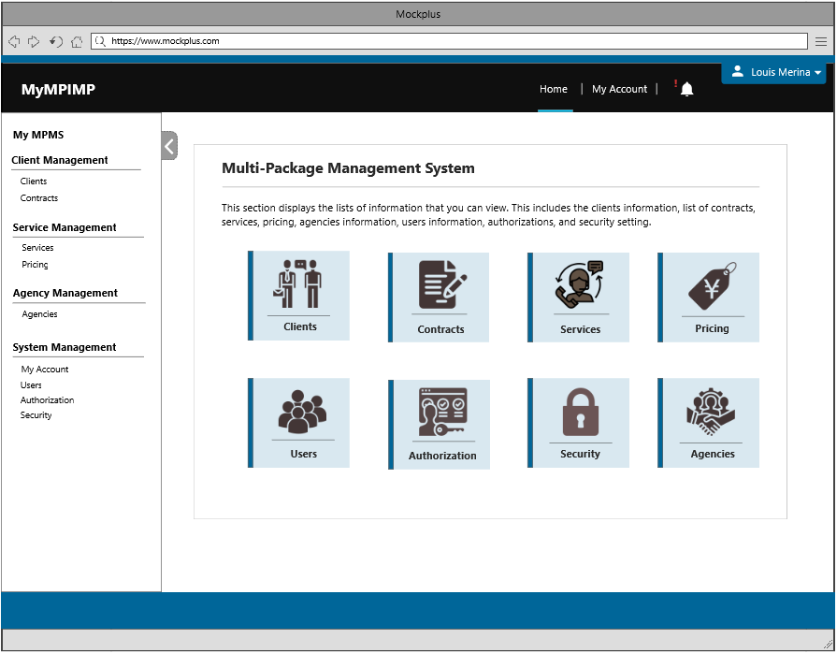

1
2

1
2

1-Clients Information
2-Contracts Information

This section shows all the clients entered into the system and contracts created or opened per client. The user can also search for a particular client, by entering the client name, client ID, or keyword in the search box.

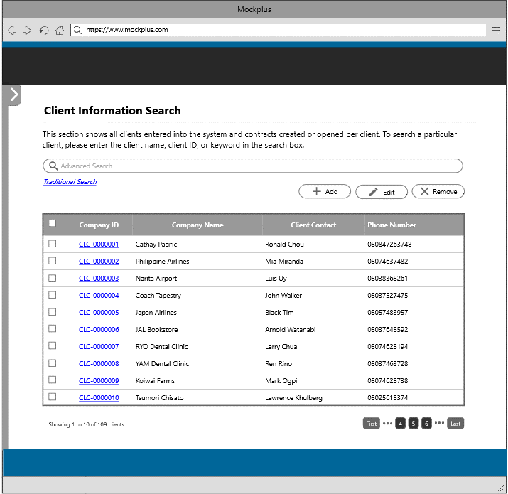

The user will be redirected to this page once the client information tile or link is clicked.

1
3
4
5

3-Add Button
4-Edit Button
5-Delete Button

3

The user will be redirected to this page to add a new client information

This section allows the user to create a new company information by filling in the following fields such as the company name, adress, and phone number. The user may include an external client ID, city, state, postal code, country and website URL.
This page consists of two sections; client primary contact and client alternate contact. To create a new client primary contact, the user needs to fill in the fields below. To create an alternate contact, the user must click on the add button. All fields from the alternate contact is just the same in creating an alternate contact
This section shows all the details that will be inserted into the system. This serves as a review section for the user to check if all the data that he/she has inputted is correct. If there are some corrections, there will be an edit button beside each section.

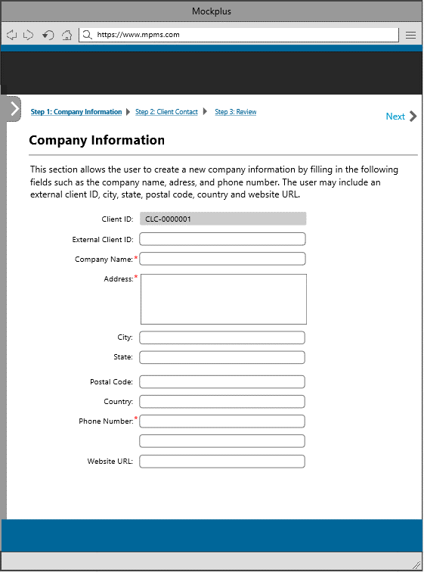
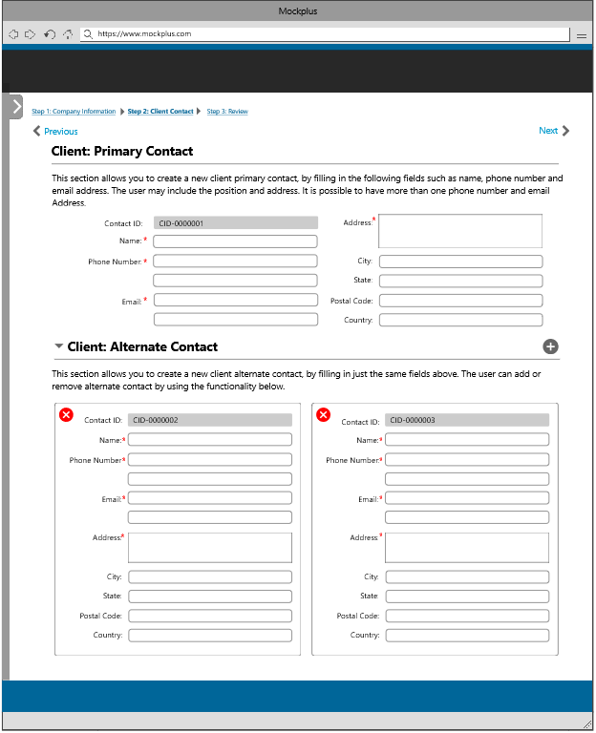
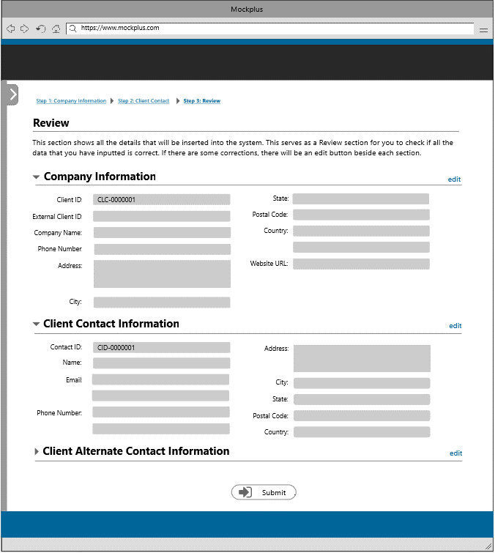

7
6

The user will be redirected to the adding of client primary contact page once the next button is clicked
The user will be redirected to the review page once thenext button is clicked

6
7

6- Next Button | 7 - Next Button

4

The user will be redirected to this page to update a client information

This section shows all the details that will be udated into the system. This serves as a review section for the user to check if all the data that he/she has updated is correct. If there are some corrections, there will be an edit button beside each section.
This section shows the company contact information that you have selected and this section allows you to update some of the fields in the form.
This page consists of two sections; client contact information and client alternate contact information. This sections allows the user to update some of the fields from the form. The user can also add/update/delete a client contact information.

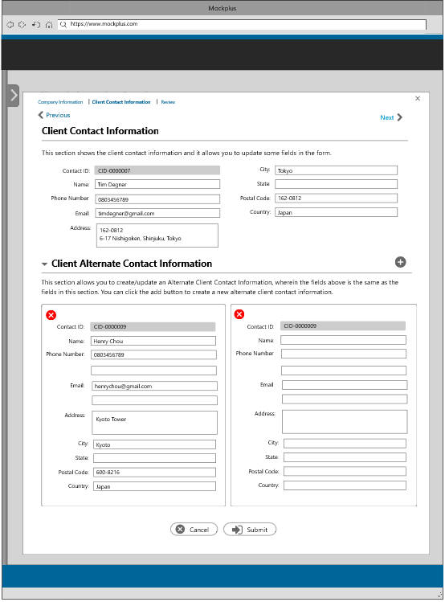
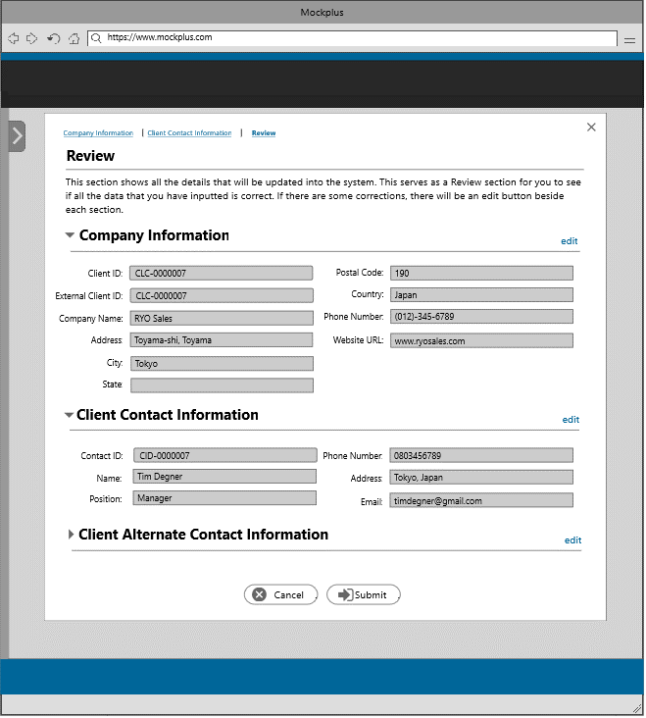
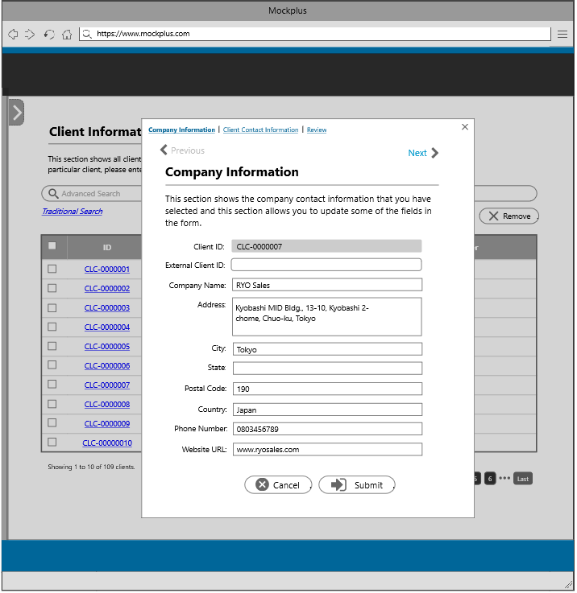

9
9
8
9

8

The user will be redirected to the client primary contact page once the next button/client contact information tab is clicked
The user will be redirected to the review section once the next button/review tab is clicked

9
8

9
9

8 - Client Contact Information tab/Next button |  | 9 - Review tab/Next Button/Submit Button
9 - Review Tab/Submit Button

5

The user will be redirected to this page to delete a client information

This section allows the user to delete a client information. Before the user can the delete the selected item, there will be a confirmation message wherein the user needs to input the company name in the space provided.

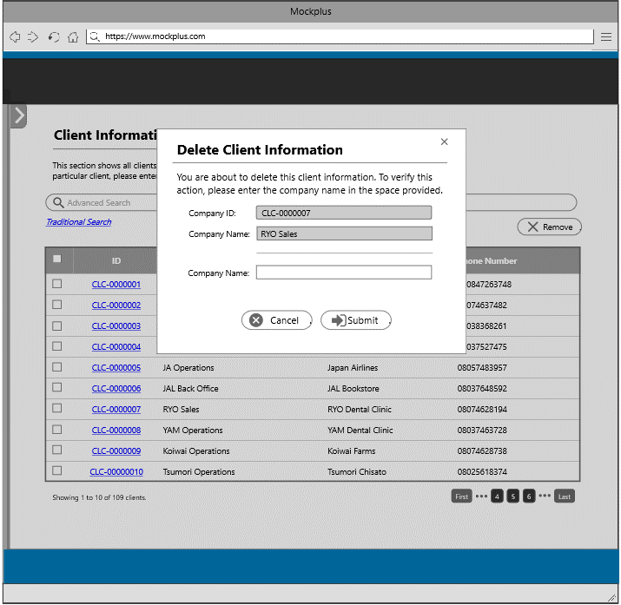

This section shows all the clients which have active/inactive/terminated contracts

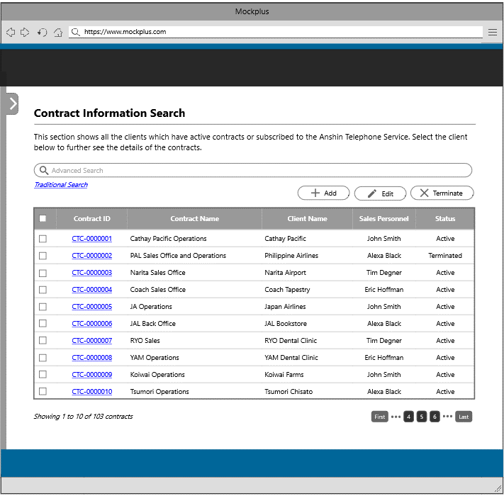

The user will be redirected to this page once the client contract information tile or link is clicked
10
11
12

2

10-Add Button
11-Edit Button
12-Remove Button

10

The user will be redirected to this page to add a new contract information

This section allows the user to create a new contract by filling in the necessary details below. Other fields will autofill once the user have chosen from the dropdown menu. To add a service/package in this contract, the user will choose items from the right panel of this page.
This section shows all the details that will be inserted into the system. This serves as a review section for the user to check if all the data that he/she has inputted is correct. If there are some corrections, there will be an edit button beside each section.

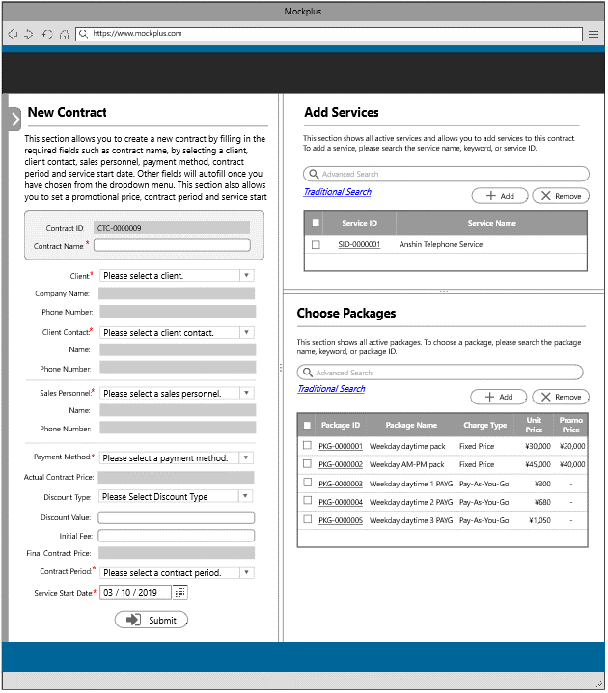
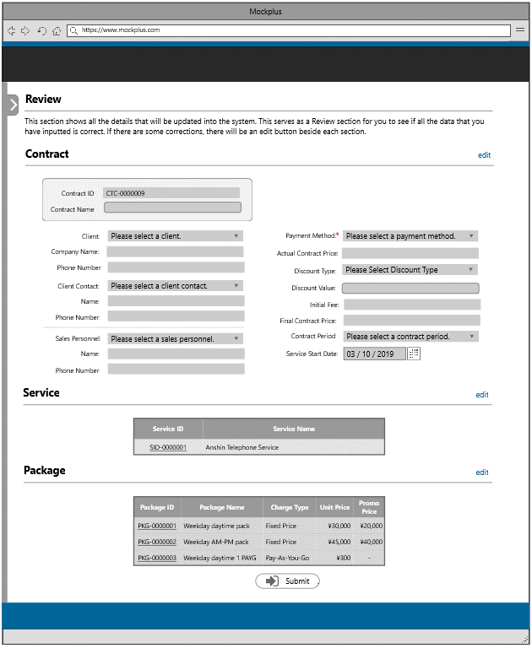

The user will be redirected to the review section once the submit button is clicked

13

13

13-Submit Button

11

The user will be redirected to this page to update a contract information

This section allows the user to update a contract information by modifying some details below. Other fields will autofill once the user have chosen from the dropdown menu. To add/remove a service/package in this contract, the user will choose items from the right panel of this page.
This section shows all the details that will be updated into the system. This serves as a review section for the user to check if all the data that he/she has updated is correct. If there are some corrections, there will be an edit button beside each section.

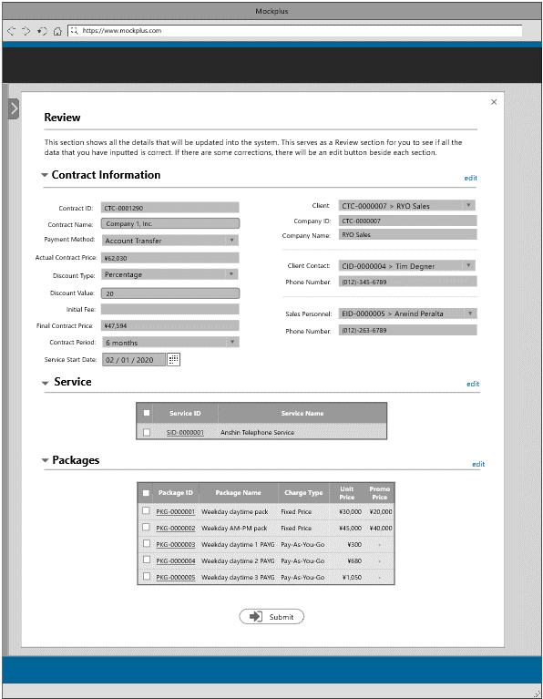
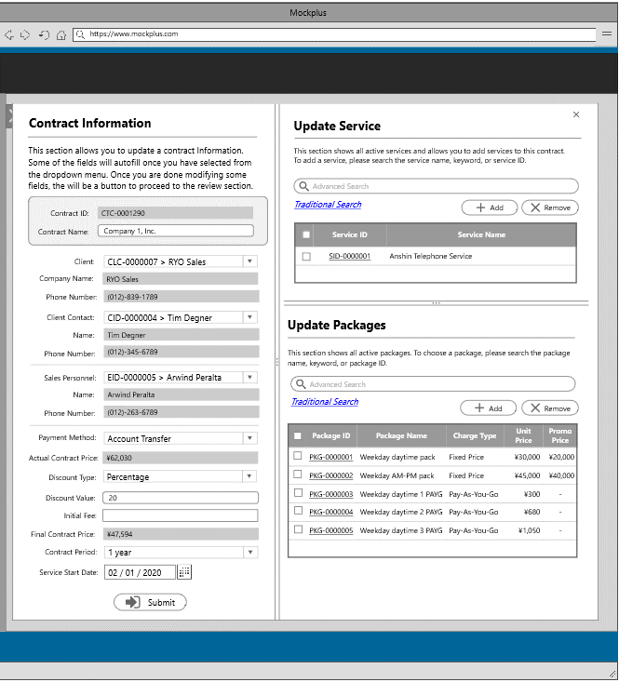

The user will be redirected to the review section once the submit button is clicked

14

14

14 - Submit Button

12

The user will be redirected to this page to delete a contract information

This section allows the user to delete a contract information. Before the user can the delete the selected item, there will be a confirmation message wherein the user needs to input the contract name in the space provided.

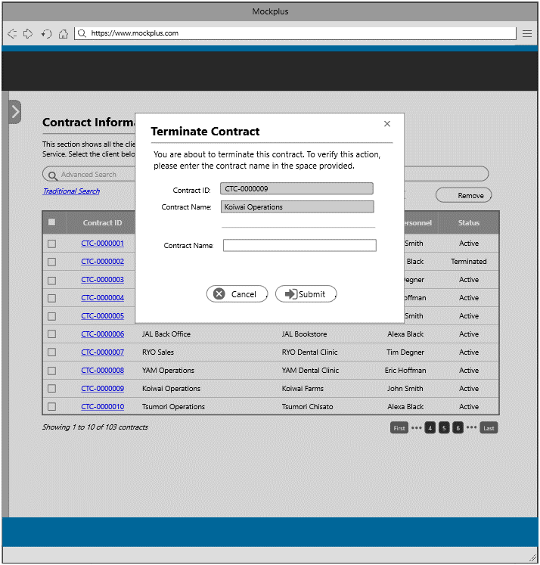

This section displays the complete client information.
This section displays the complete contract information.

Service Information
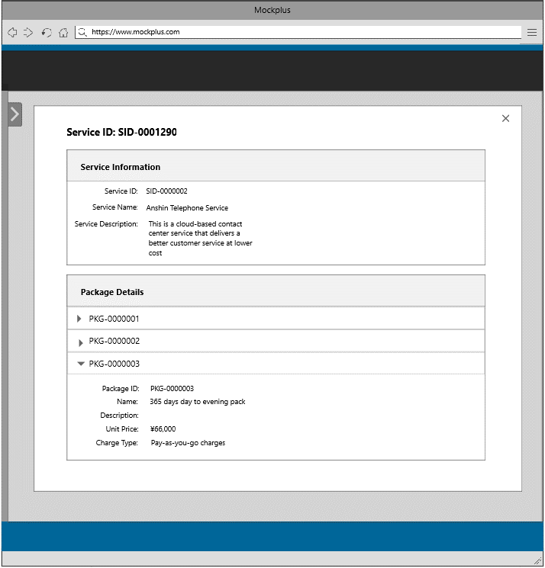
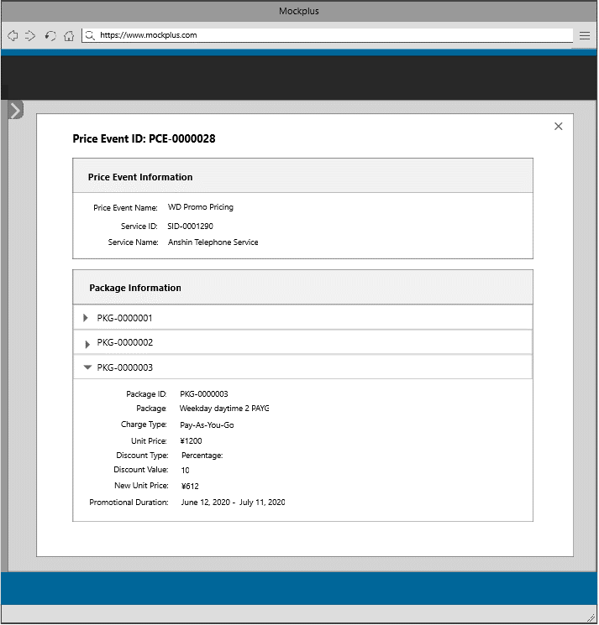
This is the admin landing page, wherein the admin has the capability to view everything in the system, such as the list of clients, contracts, services, pricing, authorization, agencies, security setting, and users of the system. The admin will be redirected to a section once he/she select from the item below. This section consists the template for the header and footer.

1
2
1
2

1-Service Information
2-Pricing Information

This section shows all services entered into the system. The user can also search for a particular service by entering the service ID, service name, or keyword in the search box.

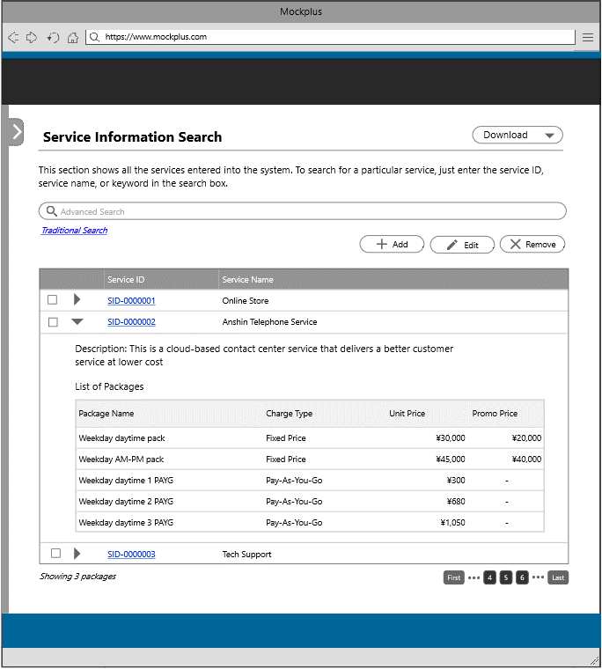

The user will be redirected to this page once the service information tile or link is clicked

3
4
5

1

3-Add Button
4-Edit Button
5-Remove Button

3

The user will be redirected to this page to add a new service information

This section shows all the details that will be inserted into the system. This serves as a review section for the user to check if all the data that he/she has inputted is correct. If there are some corrections, there will be an edit button beside each section.

This section allows the user to create a new service by filling in the service name and service description. To create package/s in the service, the user needs to fill in the the package name, package description, unit price and charge type.

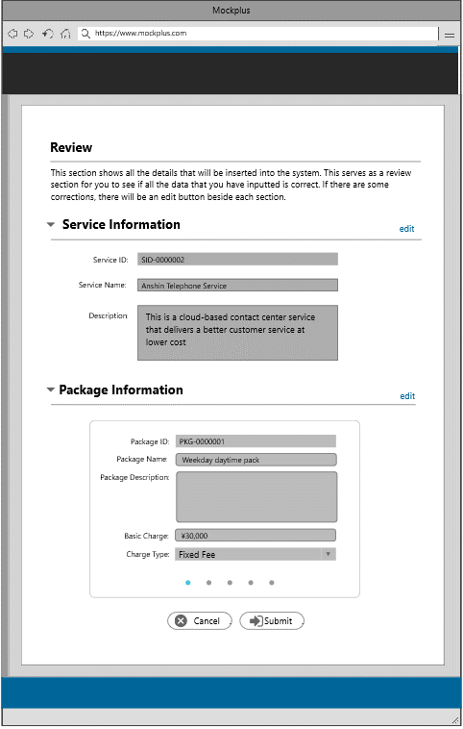
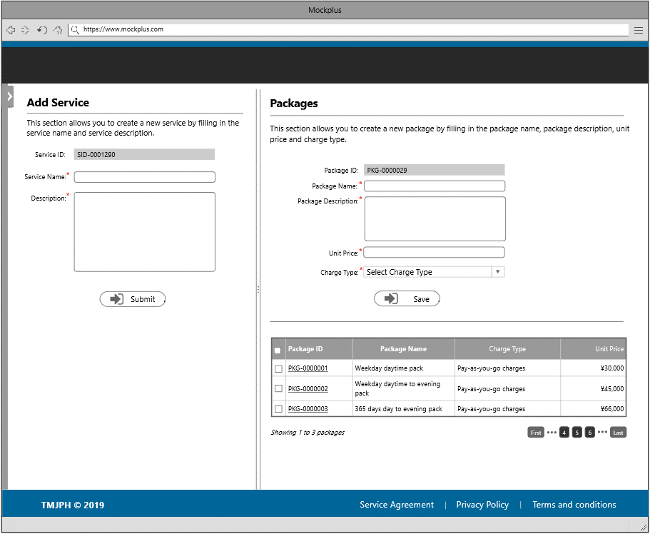

The user will be redirected to the review section once the next button is clicked

6
6

6 - Submit Button

4

The user will be redirected to this page to update a service information

This section shows all the details that will be updated into the system. This serves as a review section for the user to check if all the data that he has updated is correct. If there are some corrections, there will be an edit button beside each section.

This section allows the user to update a service information and update package/s by modifying some details . The user can also add/remove a package in this section.

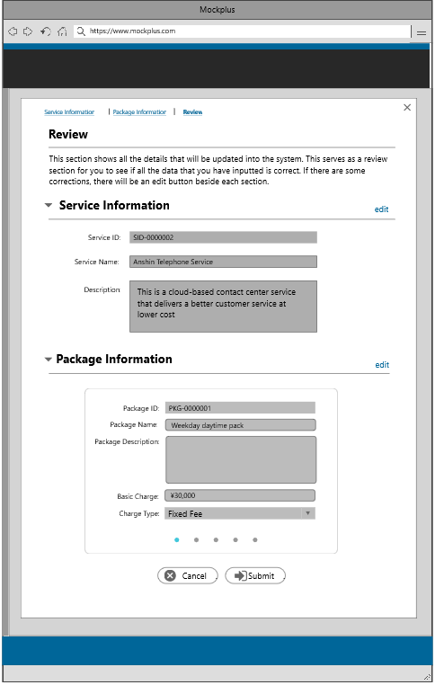
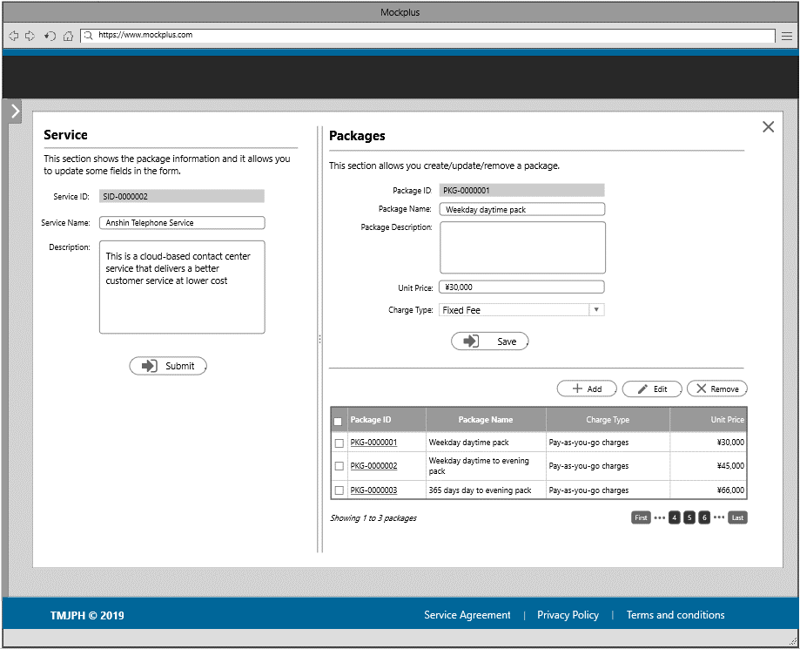

The user will be redirected to the review page once the next button is clicked

7
7

7-Submit Button

4

The user will be redirected to this page to delete a service information

This section allows the user to delete a service information. Before the user can the delete the selected item, there will be a confirmation message wherein the user needs to input the service name in the space provided.

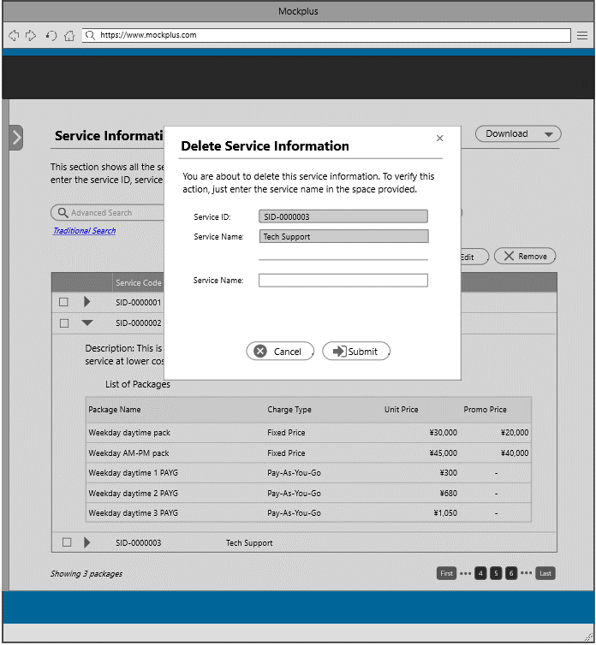

This section shows all the price event entered into the system. The user can search for a particular price event by entering the price event ID, price event name, or keyword in the search box.

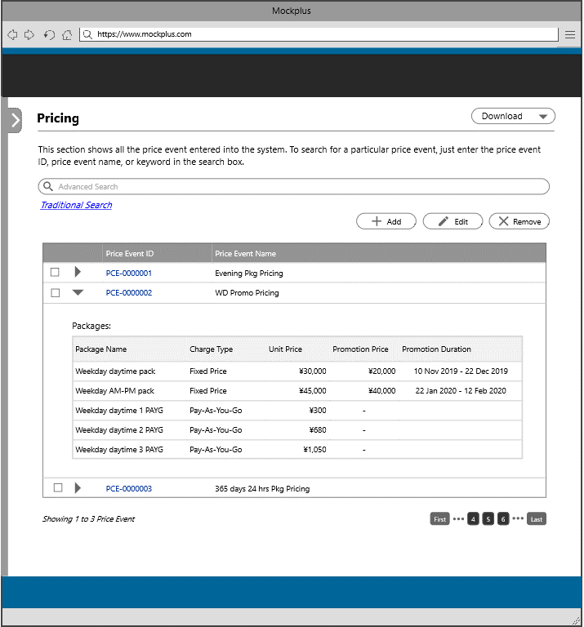

The user will be redirected to this page once the pricing information tile or link is clicked
8
9
10

2

8-Add Button
9-Edit Button
10-Remove Buttn

8

The user will be redirected to this page to add a new price event

This section shows all the details that will be inserted into the system. This serves as a review section for the user to check if all the data that he/she has inputted is correct. If there are some corrections, there will be an edit button beside each section.
This section shows all the details that will be inserted into the system. This serves as a review section for the user to check if all the data that he/she has inserted is correct. If there are some corrections, there will be an edit button beside each section.

This section allows the user to create a new price event by filling in the price event name. To add a service into the price event, the user must select item from the right panel of the page.
To add a package into the price event, the user must select item from the right panel of the page. This section allows the user to add a new unit price.

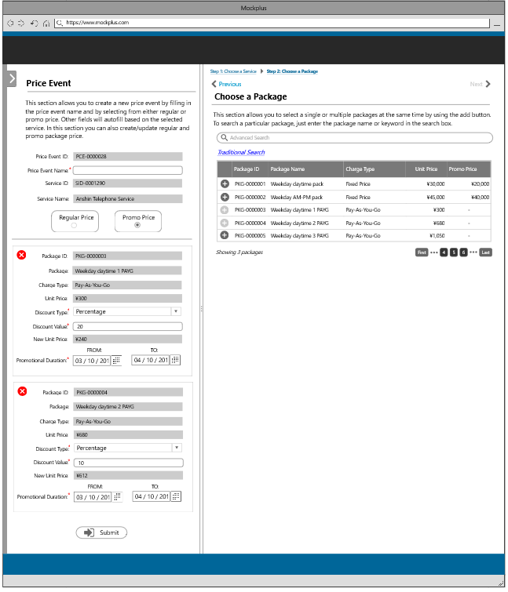
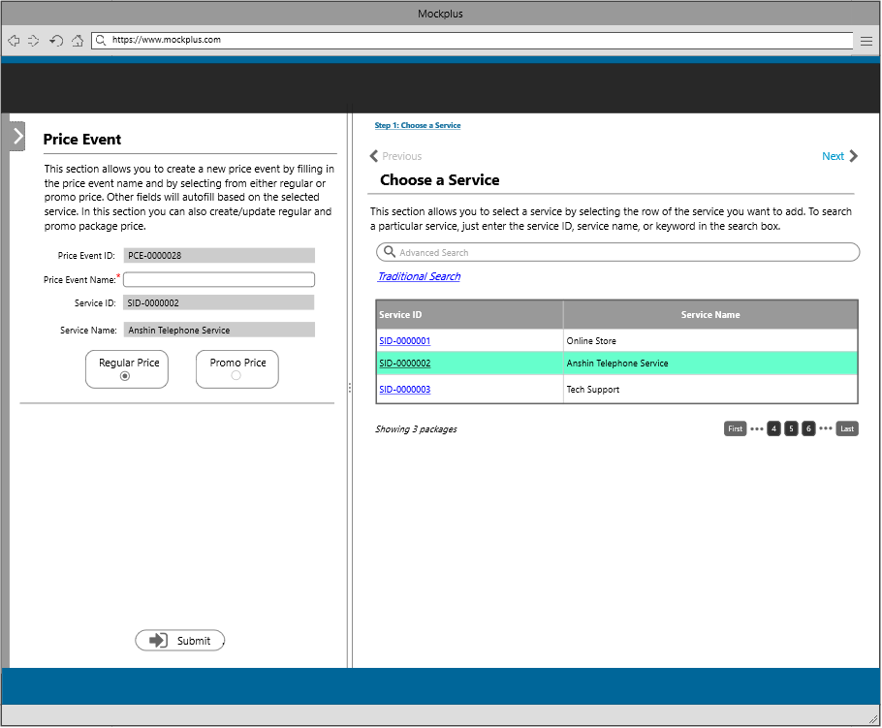
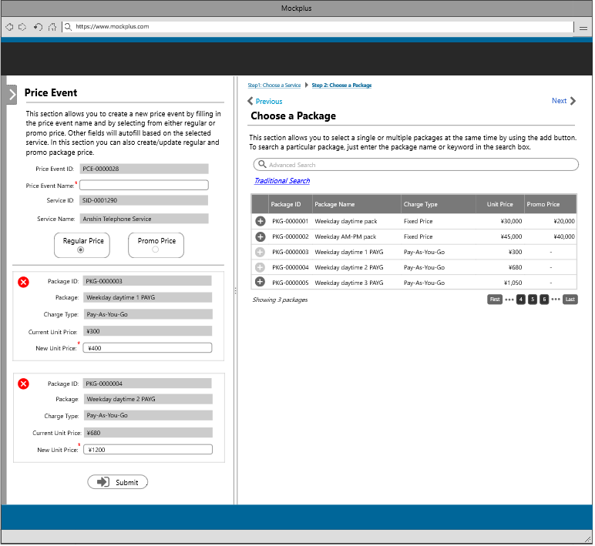
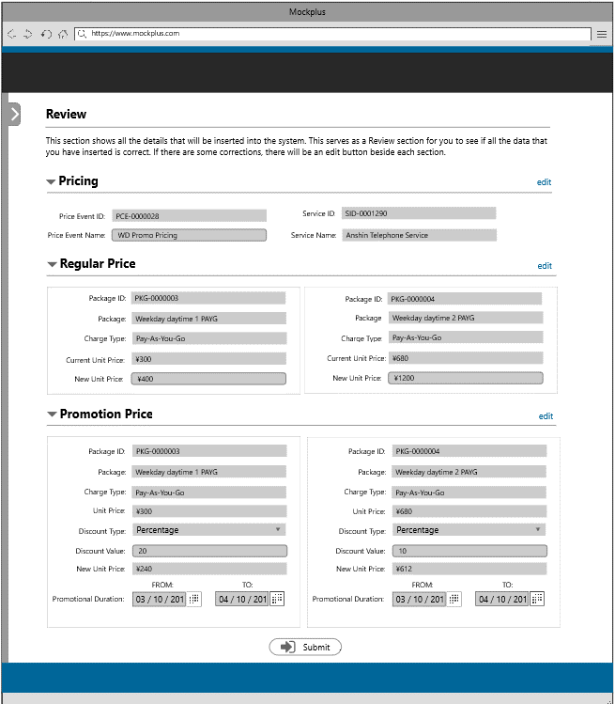

12
11

The user will be redirected to the pricing page once the next button is clicked
The user will be redirected to the promo pricing page once the next button/promo price tab is clicked
The user will be redirected to the review page once the submit button is clicked

12

11
12
13

13
13
13

11-Next Page |  | 12-Next Page | 13-Submit Button/Review Section
12-Submit Button/Review Section |  | 13-Submit Button/Review Section

9

The user will be redirected to this page to update price event information

This section shows all the details that will be updated into the system. This serves as a review section for the user to check if all the data that he/she has updated is correct. If there are some corrections, there will be an edit button beside each section.
This section allows the user to update a price event by modifying the price event name. To update a package into the price event, the user must select item from the right panel of the page. This section also allows the users to update the unit price of a package.
This section allows the user to update a promo price. Following are the fields that the user can modify; discount type, discount value, and promotional duration.

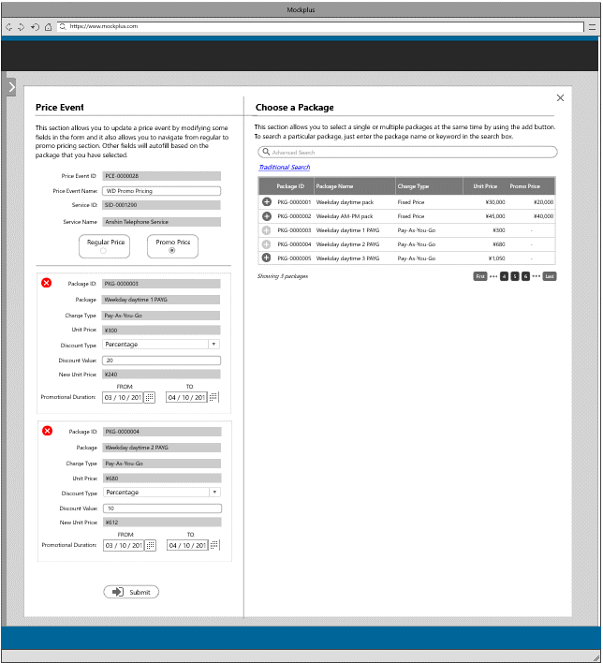
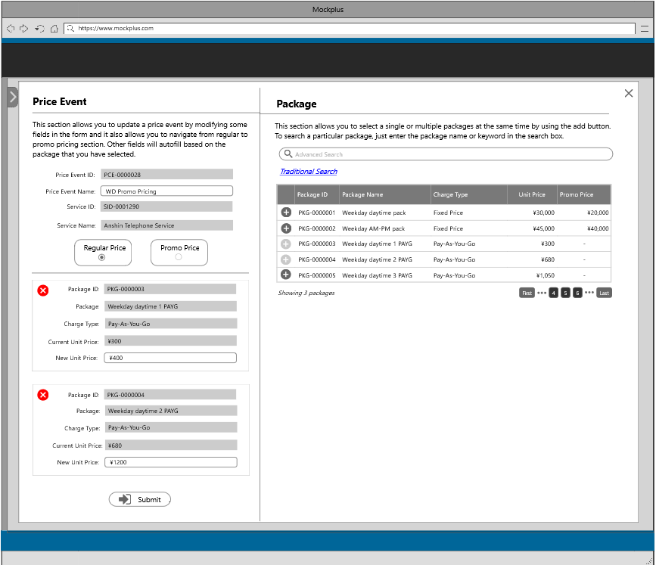
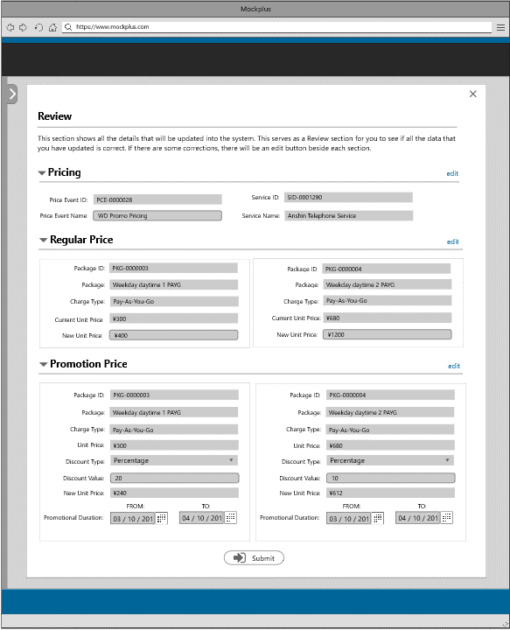

The user will be redirected to the promo pricing section once the promo price tab is clicked
14
The user will be redirected to the review section once the submit button is clicked

14
15

15
15

14-Promo Pricing Tab | 15-Submit Button
15-Submit Button

10

The user will be redirected to this page to delete a price event information

This section allows the user to delete a price. Before the user can the delete the selected item, there will be a confirmation message wherein the user needs to input the price event name in the space provided.

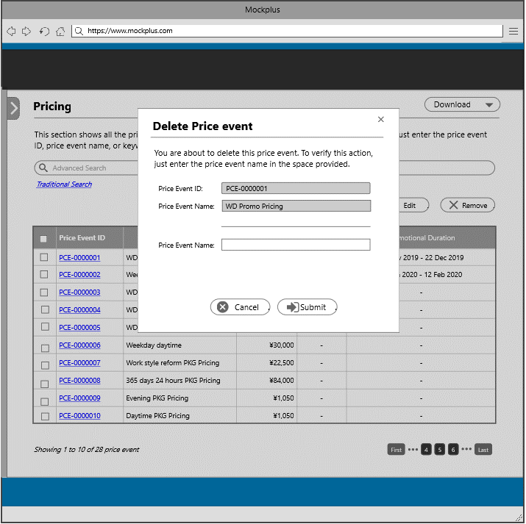

This section displays the complete service information.
This section displays the complete price event information.

System Management
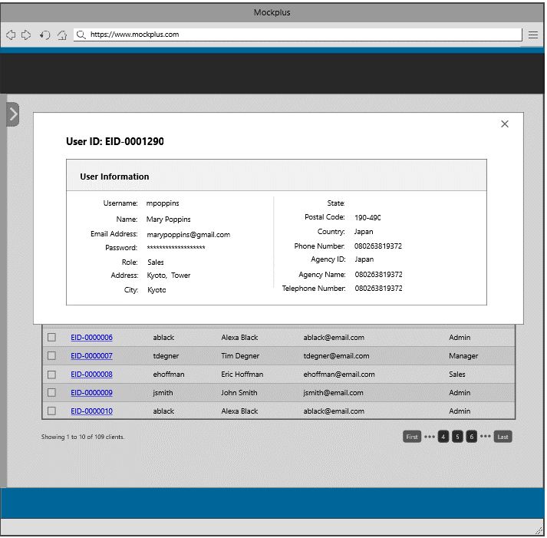
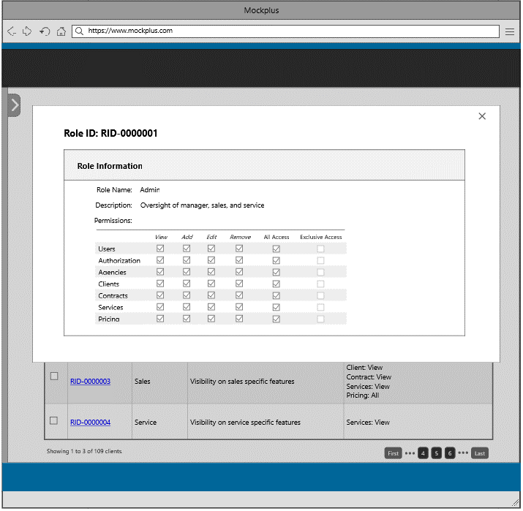
This is the admin landing page, wherein the admin has the capability to view everything in the system, such as the list of clients, contracts, services, pricing, authorization, agencies, security setting, and users of the system. The admin will be redirected to a section once he/she select from the item below. This section consists the template for the header and footer.

1
2
3
1
2
3

1-Users Information
2-Authorization
3-Security

This section shows all users entered into the system and their designated roles. The user can search for a particular user by entering the user ID, username, or keyword in the search box.

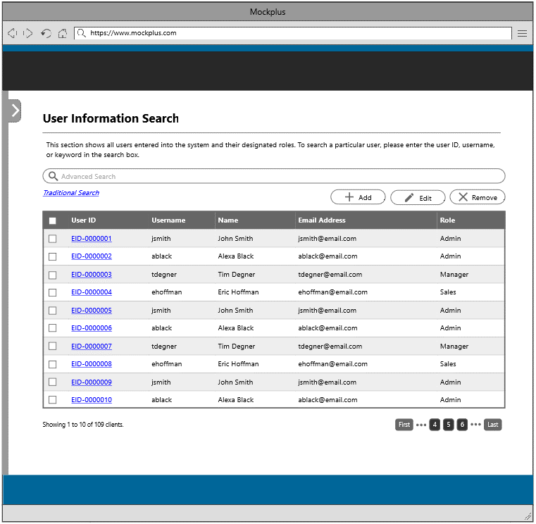

The user will be redirected to this page once the user information tile or link is clicked
4
5
6

1

4

The user will be redirected to this page to add a new user information

This section shows all the details that will be inserted into the system. This serves as a review section for the user to check if all the data that he/she has inputted is correct. If there are some corrections, there will be an edit button beside each section.

This section allows the user to create a new user information by filling in the necessary detials.

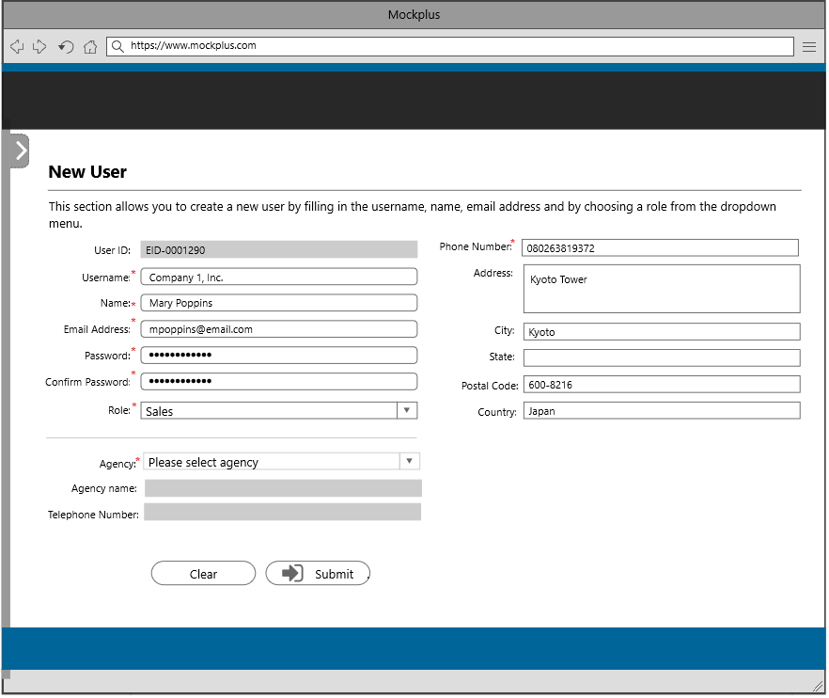
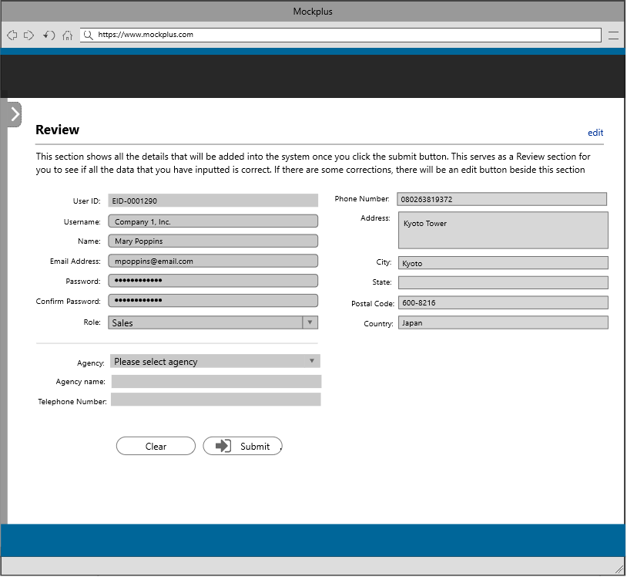

The user will be redirected to the review section once the submit button is clicked

7

7

7-Submit Button

5

The user will be redirected to this page to update a user information

This section shows all the details that will be updated into the system. This serves as a review section for the user to check if all the data that he/she has udpated is correct. If there are some corrections, there will be an edit button beside this section.

This section allows the user to update a user information by modifying some details below.

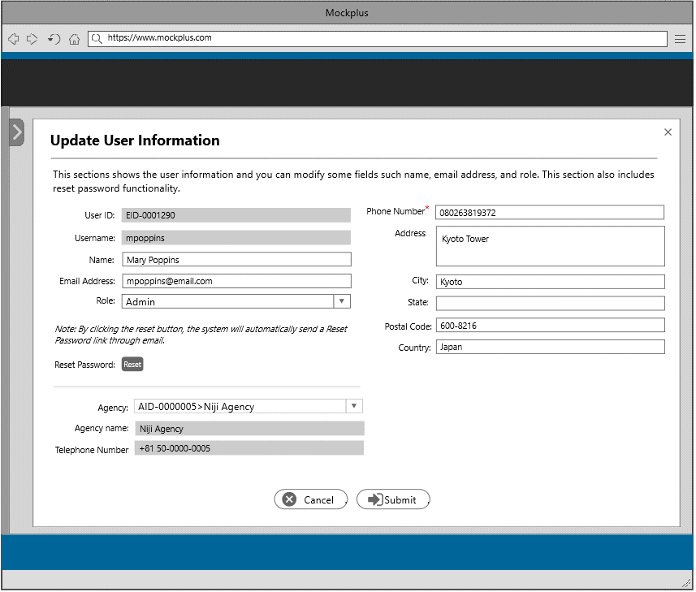
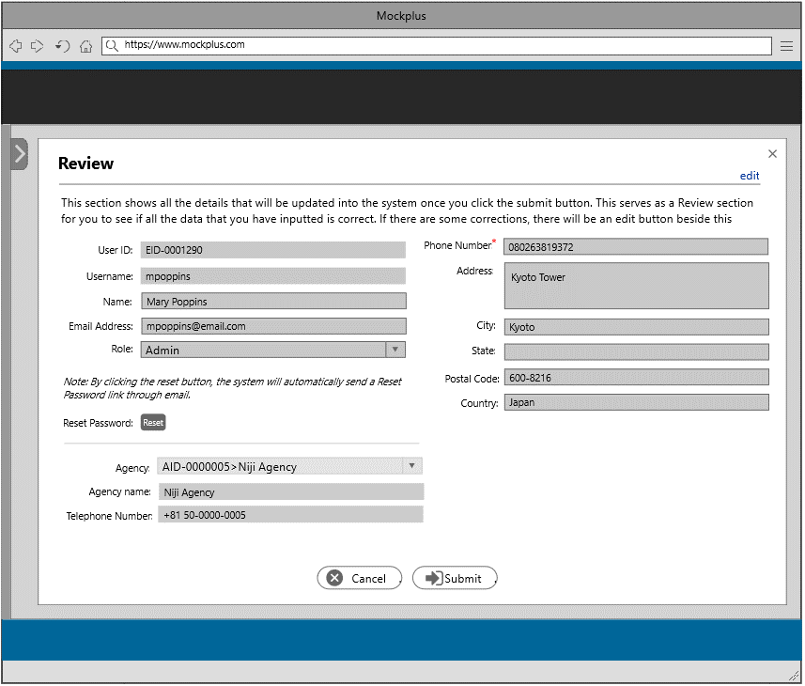

The user will be redirected to the review section once the submit button is clicked

8

8

8-Submit Button

6

The admin will be redirected to this page to delete a user information

This section allows the admin to delete a user information. Before the admin can the delete the selected item, there will be a confirmation message wherein the admin needs to input the name of the user in the space provided.

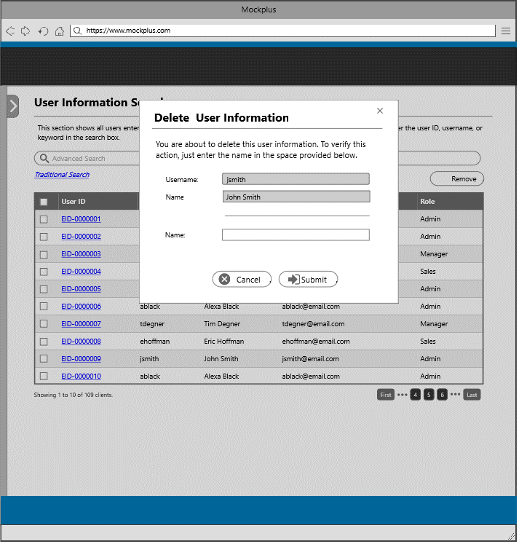

This section shows all roles entered into the system and their access permissions. The user can search for a particular role, please enter the user ID, role name, or keyword in the search box.

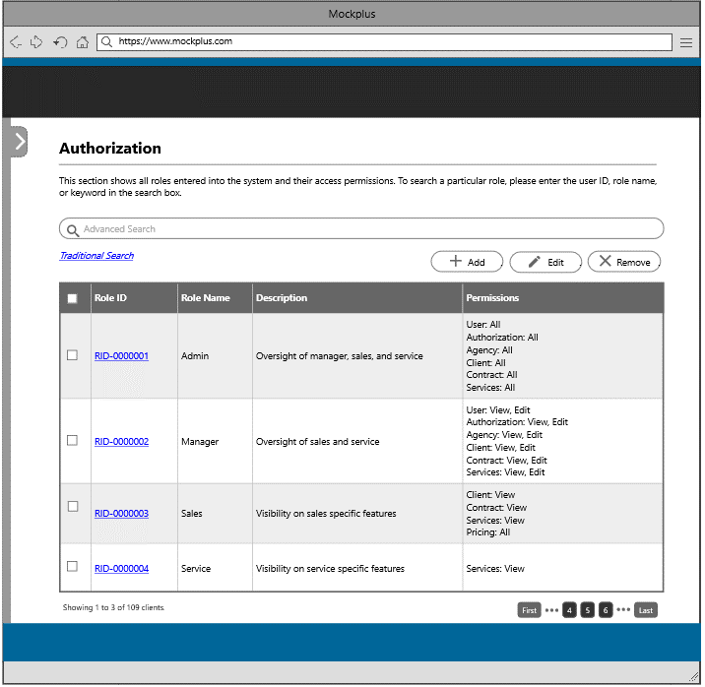

The user will be redirected to this page once the authorization tile or link is clicked

9
10
11

2

 | 9-Add Button
 | 10-Edit Button
 | 11-Remove Button

9

The user will be redirected to this page to add a new role.

This section shows all the details that will be inserted into the system. This serves as a review section for the user to check if all the data that he/she has inputted is correct. If there are some corrections, there will be an edit button beside this section.
This section allows the user to add a new role by filing in the role name, description, and by setting the permissions. The roles that was created will be used under the add user tab.

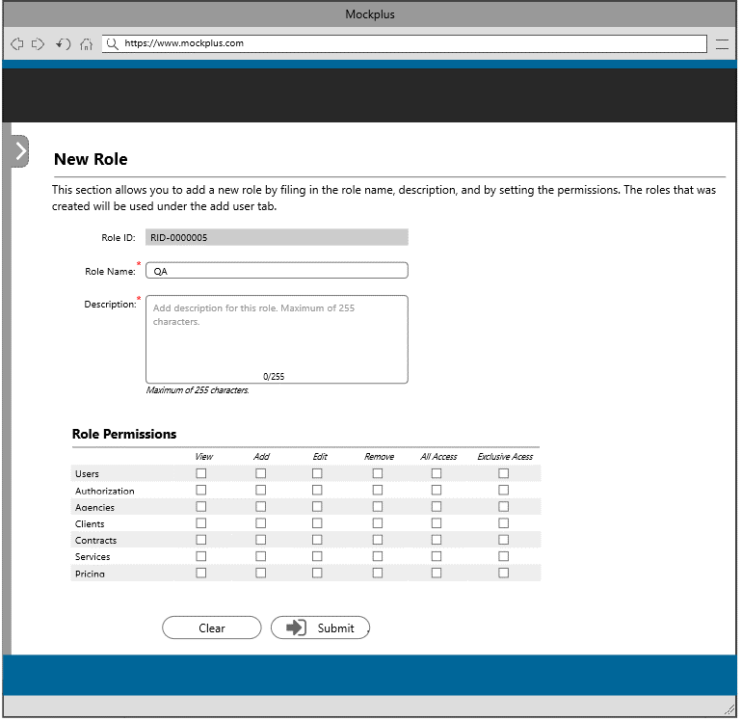
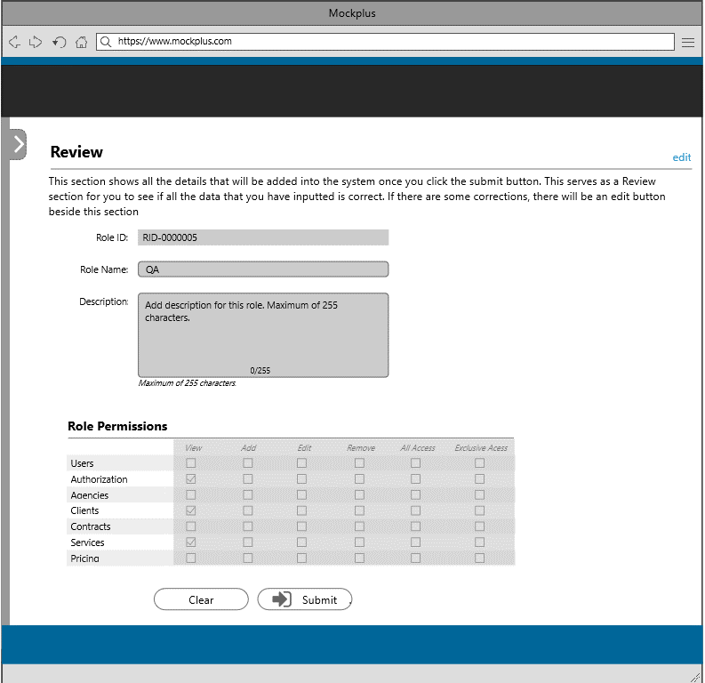

The user will be redirected to the review section once the submit button is clicked

12

12

 | 12-Submit Button

10

The user will be redirected to this page to update role

This section shows all the details that will be updated into the system. This serves as a review section for the user to check if all the data that he/she has updated is correct. If there are some corrections, there will be an edit button beside this section.
This section allows the user to update a role information by modifying some details below.

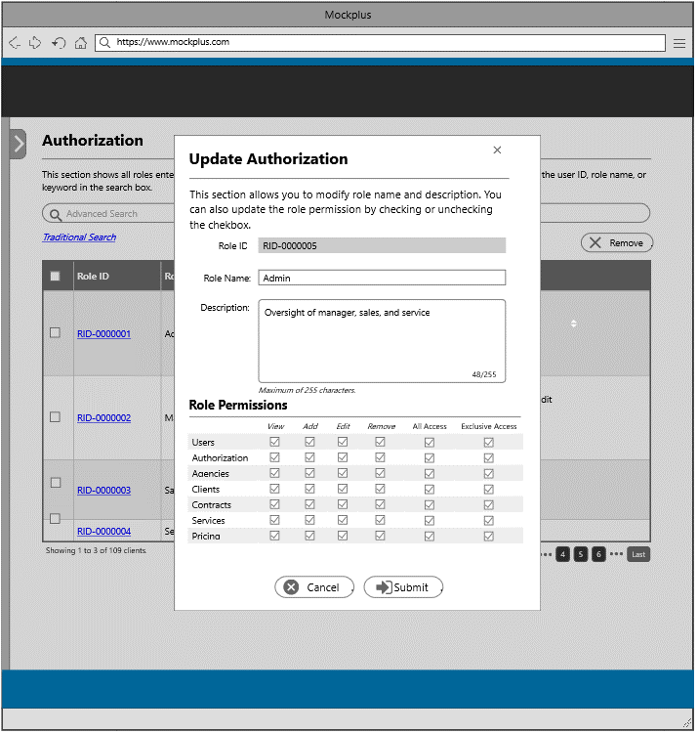


The user will be redirected to the review section once the submit button is clicked

13

13

 | 13-Submit Button

11

The user will be redirected to this page to delete a role

This section allows the user to delete a role information. Before the user can the delete the selected item, there will be a confirmation message wherein the user needs to input the role name in the space provided.



This page consists of two setions; password settings and logs. A password settings is a setting that defines the type of password a user can set. Check the options to require and specify a number. Logs section shows the events that are logged, events such as changing of information, operations that you made and system changes.



The user will be redirected to this page once the security tile or link is clicked
14

3

14-Save Button

14

This modal will be shown to the user once the save button is clicked.

This section shows all the details of the password setting that will be updated into the system. This serves as a review section for the user to see if all the data that he/she have set is correct. If there are some corrections, there will be an edit button beside this section.



This section displays the complete user information.
This section displays the complete role information.

Agency Management

This is the admin landing page, wherein the admin has the capability to view everything in the system, such as the list of clients, contracts, services, pricing, authorization, agencies, security setting, and users of the system. The admin will be redirected to a section once he/she select from the item below. This section consists the template for the header and footer.

1

1

1-Agency Information

This section shows all agencies entered into the system including their details and contact person. The user can search for a particular agency by entering the agency ID, agency name, or keyword in the search box.



2
3
4
The user will be redirected to this page once the agency information tile or link is clicked

1

2-Add Button
3-Edit Button
4-Remove Button

2

The user will be redirected to this page to add a new agency information

This section shows all the details that will be inserted into the system. This serves as a review section for the user to check if all the data that he/she has inputted is correct. If there are some corrections, there will be an edit button beside each section.

This section allows the user to create a new agency information by filling in the necessary details.




The user will be redirected to the review section once the submit button is clicked

5

5

5-Submit Button

3

The user will be redirected to this page to update agency information

This section shows all the details that will be updated into the system. This serves as a review section for the user to check if all the data that he/she has udpated is correct. If there are some corrections, there will be an edit button beside this section.

This section allows the user to update agency information by modifying some details below.




The user will be redirected to the review section once the update button is clicked

6

6

6-Update Button

4

The user will be redirected to this page to delete an agency information

This section allows the user to delete an agency information. Before the user can the delete the selected item, there will be a confirmation message wherein the user needs to input the agency name in the space provided.



This section displays the complete agency information.

